API updates
API updates

4.13
 | Dojo | 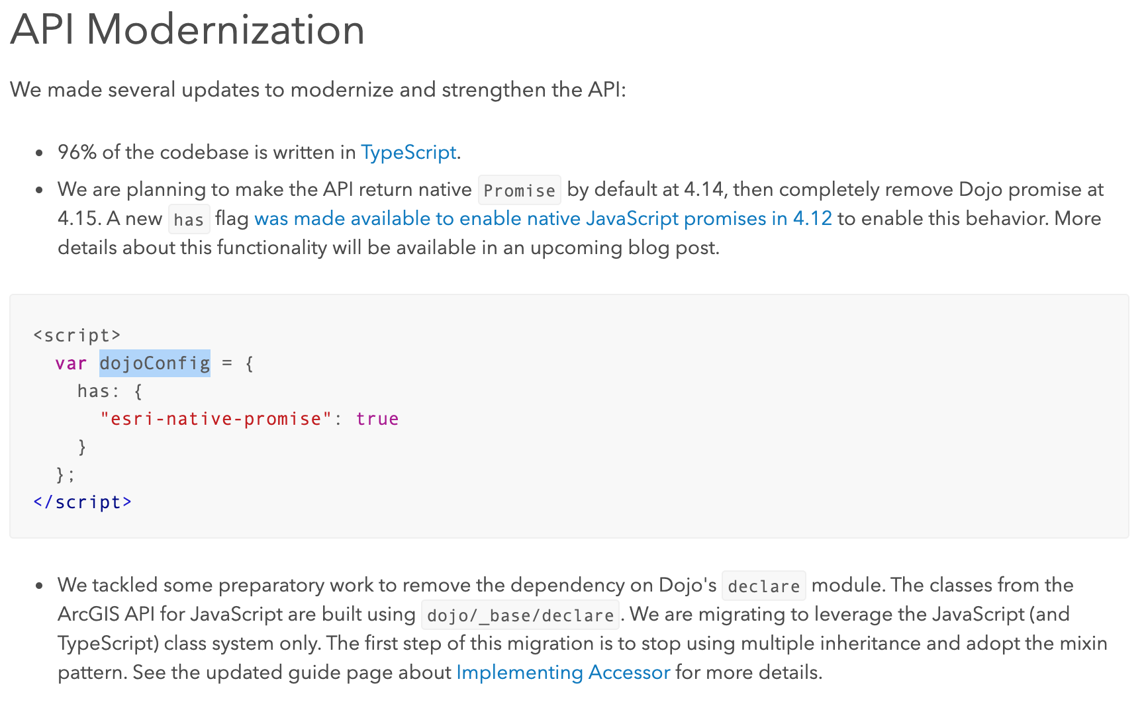

 | Swipe widget
 | Bookmark editing | 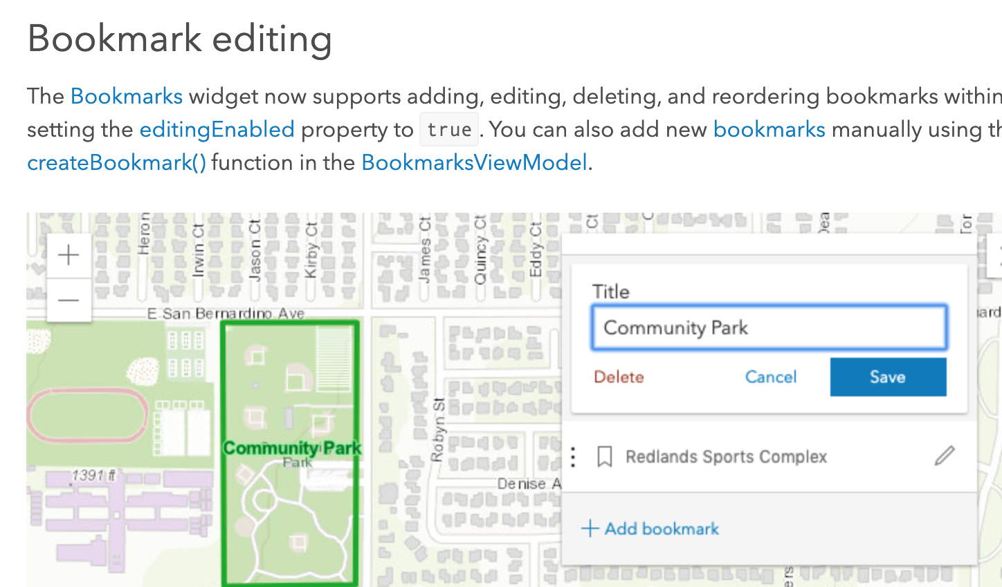
4.12
 | AbortSignal
 | Slider widgets | 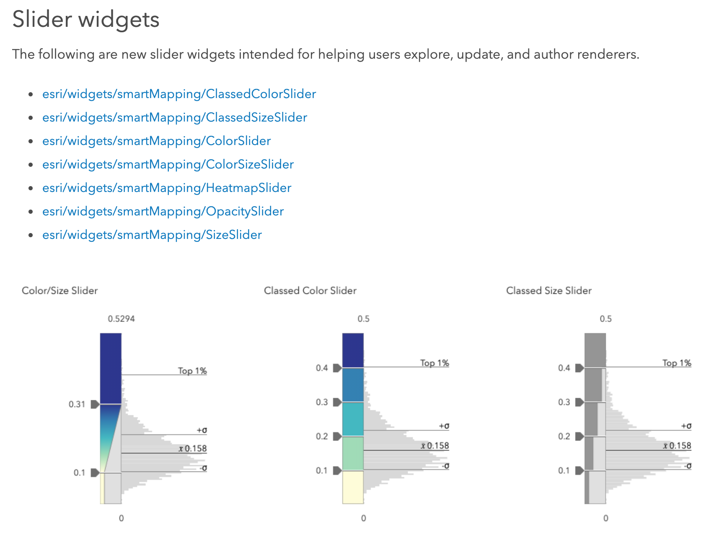

photoImage
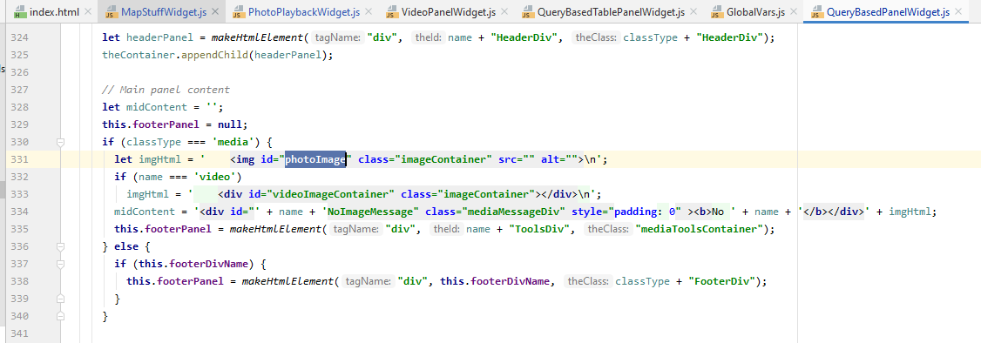
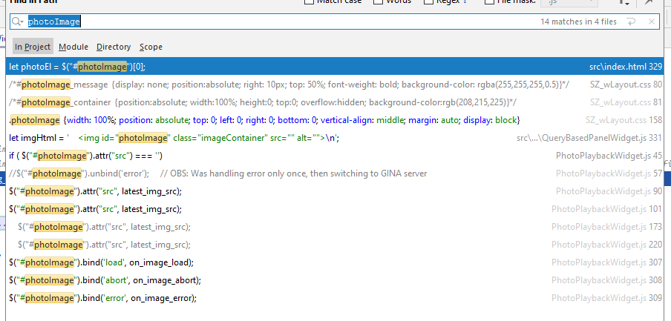

rename photoImage as szPhotoImage and ssPhotoImage?

screen captures
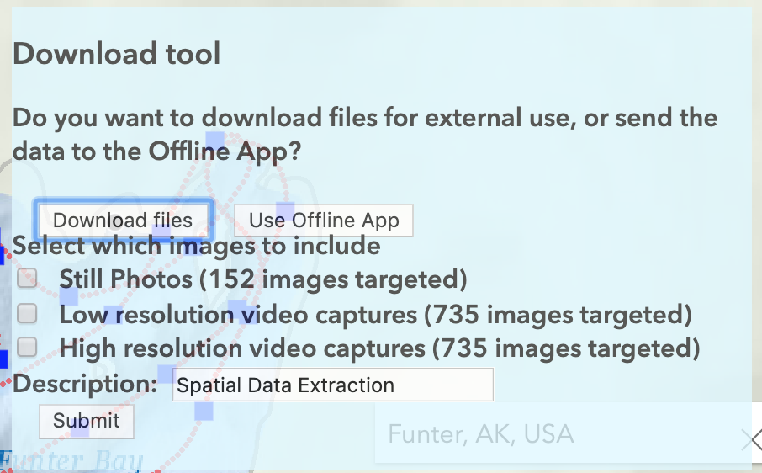

DONE_sync_photos
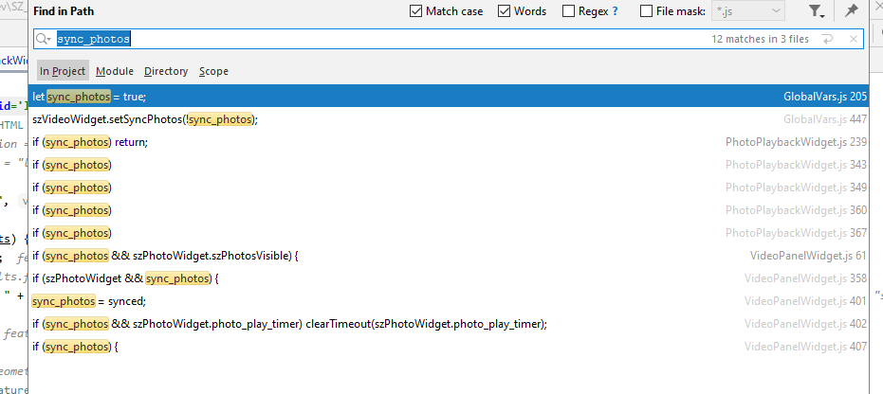

Replace with (?):
szVideoWidget.syncTo = szPhotoWidget
szPhotoWidget.sync_photos = [True/False]

szPhotoWidget.syncFrom = szVideoWidget

